Sheet2
Modupe Cusine
Restaurant Dashboard
Modupe A. Data Analyst

Search
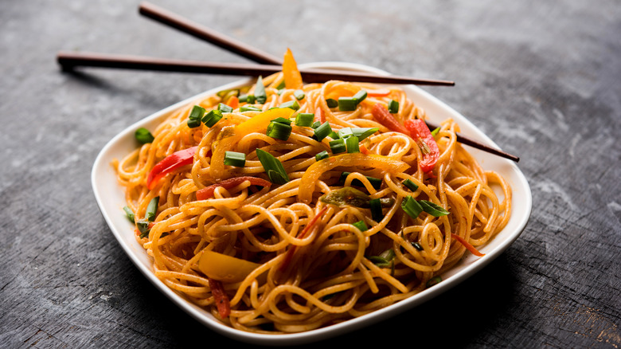
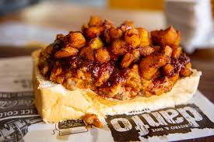
Most Ordered customer
Zones with the most liked cusine

Chinese
North Indian
French
South Indian
African
81
Explore
Srini
Revandh
Veer
Rifa
Ram
$20,345.00
81
$18,006.00
Overview
71
$17,989.00
70
Analysis
$17,458.00

$16,854.00
61

Dataset
Total Sales
Total Order
Avg delivery time
Avg Cust. Rating
Total Quantity

$2K
299K
31 mins
3
6K

Restaurant with the most order
 | Total
Veer Restaurant | $19,168
The Cave Hotel | $18,934
Anand Restaurant | $18,589
Willies | $18,324
Ellora | $17,863
Most Prefered Payment method
 | Total
Card | 331
Cash | 169
Time customer orders the most
 | Total
Evening | 69
Morning | 73
Night | 141
Afternoon | 217

Dark mode

